UMBRO COTTON TEE SHIRTS
UMBRO COTTON TEE SHIRTS
PHOTOS | REF | COL REF | COLORS | QTY | PACKS | 3XS | 2XS | XS | S | M | L | XL | 2XL | 3XL
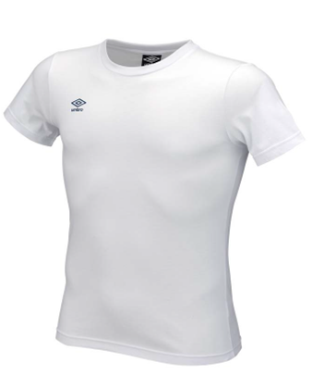 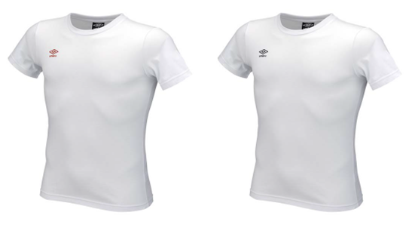 | SHIRTB-BC01 | BC01 | WHITE/LOGO.BLACK | 4,555 | U13 | 476 | 301 | 626 | 501 | 651 | 820 | 762 | 295 | 123
 | SHIRTB-BC05 | BC05 | WHITE/LOGO.RED | 4,311 | U13 | 400 | 394 | 616 | 489 | 513 | 760 | 623 | 305 | 211
 | SHIRTB-BC10 | BC10 | WHITE/LOGO.NAVY | 3,770 | U13 | 378 | 406 | 500 | 152 | 414 | 819 | 669 | 265 | 167
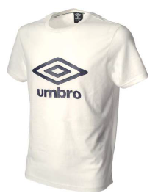 | T01SB-NERO | NERO | NERO | 149 | U13 | 19 | 23 | 32 | 44 | 23 |  |  | 8
 | T01SS-O-BCO | O-BCO | BIANCO-BRIGHT WHITE | 23 | U13 |  | 10 | 7 |  |  |  | 1 | 4 | 1
 | T01SS-O-BCO1 | O-BCO1 | OFF.WHITE | 115 | U13 | 20 | 20 | 13 | 24 | 15 |  | 14 | 9
 | T01SS-O-BLU1 | O-BLU1 | DRESS BLUE-LOGO AURORA | 82 | U13 |  |  | 25 | 47 |  |  |  | 10
 | T01SS-O-BLU3 | O-BLU3 | DRESS BLUE-LOGO BIANCO | 53 | U13 | 20 | 17 | 11 | 3 |  |  |  |  | 2
 | T01SS-O-GRIG | O-GRIG | GRIGIO MRL. | 135 | U13 | 20 | 19 | 16 | 38 |  | 6 | 22 | 14
 | T01SS-O-GRIG1 | O-GRIG1 | GRIGIO MEL. LOGO NERO | 45 | U13 |  | 13 | 21 |  | 7 | 2 | 2
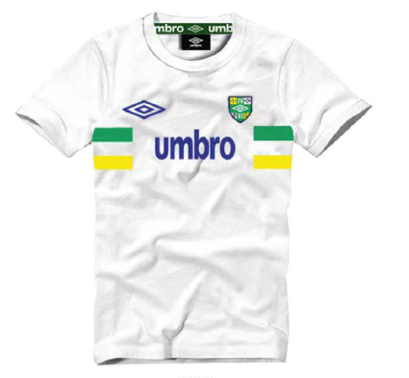 | T101B-DRN | DRN | DARK NAVY | 32 | ASS |  |  |  | 4 | 8 | 8 | 8 | 4
 | T101B-GRM | GRM | GREY MEL. | 32 | ASS |  |  |  | 4 | 8 | 8 | 8 | 4
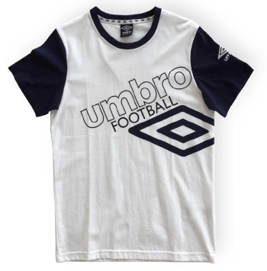 | T71B-DBN | DBN | DIVA.BLUE/NAVY | 992 | ASS |  |  |  | 124 | 248 | 248 | 248 | 124
 | T71B-FRN | FRN | FIERY.RED/NAVY | 896 | ASS |  |  |  | 112 | 224 | 224 | 224 | 112
 | T71B-NAW | NAW | NAVY/WHITE | 1,134 | ASS |  |  |  | 140 | 280 | 280 | 280 | 154
 | T71B-WHN | WHN | WHITE/NAVY | 944 | ASS |  |  |  | 118 | 236 | 236 | 236 | 118
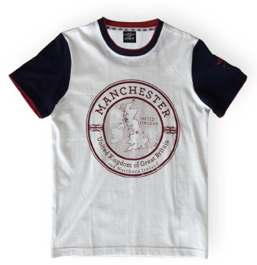 | T78B-GMN | GMN | GREY.MEL./NAVY | 910 | ASS |  |  |  | 119 | 224 | 224 | 224 | 119
 | T78B-NAW | NAW | NAVY/WHITE | 288 | ASS |  |  |  | 36 | 72 | 72 | 72 | 36
 | T78B-WHN | WHN | WHITE/NAVY | 528 | ASS |  |  |  | 66 | 132 | 132 | 132 | 66
TOTAL TEE SHIRTS UMBRO COTTON |  |  |  | 18,994 |  | 1,333 | 1,203 | 1,867 | 2,021 | 3,055 | 3,839 | 3,525 | 1,647 | 504

